Visualisation
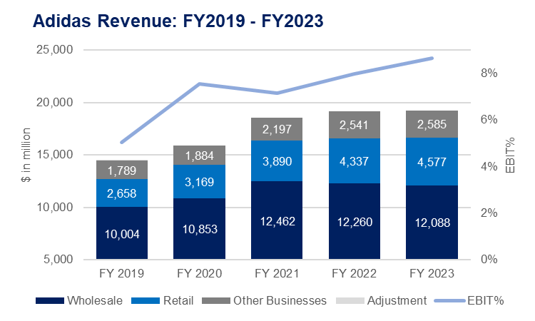

Report
 |  |  |  |  |  |  | CAGR
 |  | FY 2019 | FY 2020 | FY 2021 | FY 2022 | FY 2023 | 19-23 %
Wholesale | Wholesale | 10003.7 | 10853.04 | 12462.05 | 12259.54 | 12087.66 | 4.8%
Adidas Revenue: FY2019 - FY2023
 | Wholesale | Retail | Other Businesses | Adjustment | EBIT (%)
 | 10003.7 | 2657.8 | 1789.06 | 25 | 5%
 | 10853.04 | 3169.28 | 1883.79 |  | 8%
 | 12462.05 | 3890.39 | 2197.22 |  | 7%
 | 12259.54 | 4337.26 | 2540.89 |  | 8%
 | 12087.66 | 4577.37 | 2584.9 |  | 9%
Retail | Retail | 2657.8 | 3169.28 | 3890.39 | 4337.26 | 4577.37 | 14.6%
Other Businesses | Other Businesses | 1789.06 | 1883.79 | 2197.22 | 2540.89 | 2584.9 | 9.6%
Adjustment | Adjustment | 25
Revenue | Revenue | 14475.56 | 15906.11 | 18549.66 | 19137.69 | 19249.93 | 7.4%
Cost of Revenue | Cost of Revenue | (7,883) | (8,291) | (9,737) | (9,663) | (9,697)
Gross Profit | Gross Profit | 6592.9051 | 7614.7698 | 8812.5507 | 9474.3305 | 9553.2356 | 9.7%
Gross Profit % | Gross Profit % | 45.55% | 47.87% | 47.51% | 49.51% | 49.63%
Operating Expenses | Operating Expenses | (6,122) | (6,694) | (7,752) | (8,249) | (8,216)
Other Operating Revenue | Other Operating Revenue | 259.3656 | 278.5891 | 265.9499 | 298.3231 | 328.0936
EBIT | EBIT | 731 | 1,199 | 1,327 | 1,524 | 1,666 | 22.9%
EBIT (%) | EBIT (%) | 5% | 8% | 7% | 8% | 9%

Growth Analysis The company exhibited steady revenue growth, with a CAGR of 7.33% from FY 2019 to FY 2023. This consistent growth is indicative of a solid and expanding business. The Retail segment stood out as the fastest-growing sector, with a CAGR of 14.49%, while the Wholesale segment saw the slowest growth, with a CAGR of 4.82%. The Other Businesses segment also showed commendable growth with a CAGR of 9.66%. Profitability Analysis The company's profitability has improved remarkably over the period. The gross profit grew at a CAGR of 9.66%, and the gross profit margin increased from 46% to 50%. This uptick in margin demonstrates that the company has effectively managed its direct costs and possibly increased sales prices. Furthermore, EBIT grew at a remarkable CAGR of 22.79%, with the EBIT percentage rising from 5% to 9%. This growth signifies better control over operating costs and an enhancement in operational efficiency. Summary The financial data from FY 2019 to FY 2023 reflects a robust performance for the company in growth and profitability. Revenue growth has been steady, with strength in the Retail segment. Profitability has not only been maintained but has also seen significant improvements across key metrics, including substantial growth in EBIT. This balance of top-line growth with bottom-line improvements indicates a well-managed expansion. Adidas demonstrated a robust competitive position in the industry and a sustainable growth trajectory. The combination of growth in both revenue and profitability metrics suggests strategic execution in market

